SAT-CVM-MTN-01
▣ Scenario SAT-OVM-MTN-01 :Staff Login

STAFF
Tapping driver card or enter staff ID
Succes to Login
SCVM
Validate ID/pin or card
▶ Desc & Flow
Description |  | Maintenance menu can be only accessed by the staff. To do this, the ID/pw or the staff card must be authenticated.
Biz flow ( It describe briefly )

▶ Advance preparation
Preparation |  | STAFF 1 EA, SCVM 1 EA

▶ Data
NO | Item | 1 | 2 | 3 | 4 | 5
1 | N/A

001
Test Case -SAT-CVM-MTN-01-001 : Staff login by tapping card

1. Test Scenario
Test date |  | 1st |  | Tester |  | 1st
 |  | 2nd |  |  |  | 2nd
 |  | 3rd |  |  |  | 3rd

Staff taps with the staff ard
Staff taps with non staff card
Description |  | Staff login by tapping card |  |  |  |  | Written by |  | Süleyman Kabadayı
Flow

NO | Task | Test data | Expected result | Person in charge | Result |  | Pass/Fail |  |  | Remark
 |  |  |  |  |  |  | 1st | 2nd | 3rd
1 | [ Tap with the staff Card] 1.Taps on the SCVM with the staff card | Test Data : A | Success to Validate Display the screen of setting-menu | KIM J.E. | 1st |  |  |  |  | Test Data:C
 |  |  |  |  | 2nd
 |  |  |  |  | 3rd
2 | [ Tap with others card] 1.Taps on the SCVM with non staff card | Test Data : B | No response | KIM J.E. | 1st |  |  |  |  | Test Data:D
 |  |  |  |  | 2nd
 |  |  |  |  | 3rd

NO | Item
A | Staff Card | Staff card for testing
B | Non staff cards | Non staff cards
C | 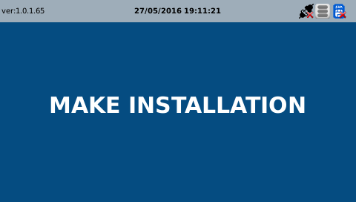 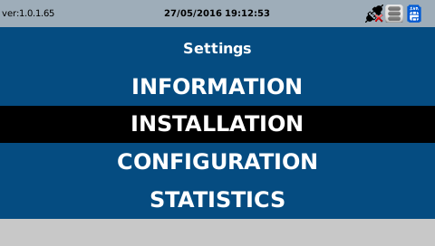
D

